Sheet1
 | EVS TECH CO. LTD
 | Yilia Chen
 | International Marketing Manager
 | Email: yiliachen@evsrobot.com
 | Mobile/whatsapp/wechat: +86 19180549281

Single Axis Horizontal Servo Positioner
Model | EVS-SWP-P-200 | EVS-SWP-P-500
Photo | 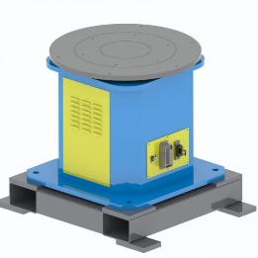
Axis Number | 1 | 1
Payload | 200kg | 500kg
Repeat Positioning | ±0.08mm | ±0.10mm
Max Armspan | 300mm | 400mm
Maximum angle of gyration | ±360° | ±360°
Rated speed of gyration | 70°/S | 70°/S
Horizontal gyration disk size | φ600 | φ800
Dimension(length×width×height) | 770mm×600mm×800mm | 900mm×700mm×800mm
Height of gyration center | 800mm | 800mm
Power supply | Three phase 200V ±10% 50Hz (with isolation transformer) | Three phase 200V ±10% 50Hz (with isolation transformer)
Insulation grade | H | H
Self weight | 200kg | 400kg

Single Axis Head And Tail Stock Welding Positioner
Item | EVS-SWP-ZW-500 | EVS-SWP-ZW-800 | EVS-SWP-ZW-1200
Photo |  |  | 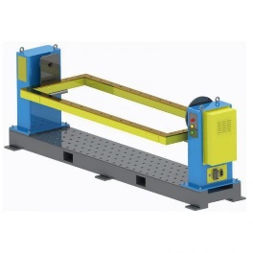
Rated load | 500kg (within main axis radius R400mm) | 800kg (within main axis radius R400mm) | 1200kg (within main axis radius R750mm)
Standard radius of gyration | R600mm | R700mm | R900mm
Maximum angle of gyration | ±360° | ±360° | ±360°
Rated speed of gyration | 70°/S | 70°/S | 50°/S
Repeated positioning accuracy | ±0.10mm | ±0.12mm | ±0.15mm
Gyration frame size(length×width×height) | 2200mm×800mm×90mm | 3200mm×1000mm×110mm | 4200mm×1200mm×110mm
Positioner dimension(length×width×height) | 290mm×650mm×1100mm | 4200mm×850mm×1350mm | 5400mm×1000mm×1500mm
Standard gyration plate | φ360mm | φ400mm | φ450mm
Height of gyration center | 850mm | 800mm | 1100mm
Power supply | Three phase 200V ±10% 50Hz | Three phase 200V ±10% 50Hz (with isolation transformer) | Three phase 200V ±10% 50Hz (with isolation transformer)
Insulation grade | H | H | H
Self weight | about 500kg | about 1000kg | about 1600kg

Single Axis Spindle Servo Positioner
Item | EVS-SWP-Z-200 | EVS-SWP-Z-500
Photo | 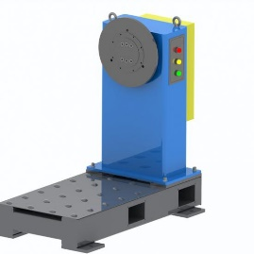
Rated load | 200kg (within main axis radius R300mm, center of gravity ≤ 300mm from flange) | 500kg (within main axis radius R400mm, center of gravity ≤ 300mm from flange)
Standard radius of gyration | R600mm | R600mm
Maximum angle of gyration | ±360° | ±360°
Rated speed of gyration | 70°/S | 70°/S
Repeated positioning accuracy | ±0.08mm | ±0.10mm
Main axis gyration disk size | φ360mm | φ800
Positioner dimension(length×width×height) | 1050mm×620mm×1050mm | 1200mm×750mm×1200mm
Height of gyration center | 850mm | 900mm
Power supply | Three phase 200V ±10% 50Hz (with isolation transformer) | Three phase 200V ±10% 50Hz (with isolation transformer)
Insulation grade | H | H
Self weight | about 200kg | about 300kg

C Type Two Aixs Welding Positioner
Item | EVS-DWP-C-200 | EVS-DWP-C-500 | EVS-DWP-C-1000
Photo | 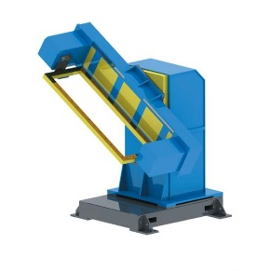
Rated load | 200kg (within axis 2 radius R400mm) | 500kg (within axis 2 radius R400mm) | 1000kg (within axis 2 radius R600mm)
Standard radius of gyration | R400mm | R400mm | R600mm
Gyration angle of axis 1 | ±180° | ±180° | ±180°
Gyration angle of axis 2 | ±360° | ±360° | ±360°
Rated gyration speed of axis 1 | 50°/S | 50°/S | 15°/S
Rated gyration speed of axis 2 | 70°/S | 70°/S | 70°/S
Repeated positioning accuracy | ±0.10mm | ±0.15mm | ±0.20mm
Dimension of the gyration frame(length×width×height) | 1200mm×600mm×70mm | 1600mm×800mm×90mm | 2000mm×1200mm×90mm
Positioner dimension(length×width×height) | 2000mm×1100mm×1700mm | 2300mm×1200mm×1900mm | 2700mm×1500mm×2200mm
Height of axis 1 gyration center | 1200mm | 1350mm | 1600mm
Power supply | Three phase 200V ±10% 50Hz(with isolation transformer) | Three phase 200V ±10% 50Hz (with isolation transformer) | Three phase 200V ±10% 50Hz (with isolation transformer)
Insulation grade | H | H | H
Self weight | about 800kg | about 1300kg | about 2000kg

L Type Two Aixs Welding Positioner
Item | EVS-DWP-L-500 | EVS-DWP-L-1000 | EVS-DWP-L-2000
Photo | 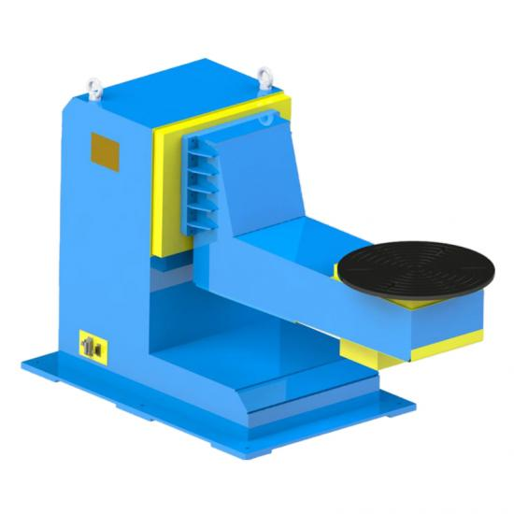
Rated load | 500kg (within axis 2 radius R400mm) | 1000kg (within axis 2 radius R600mm) | 2000kg (within axis 2 radius R800mm)
Standard radius of gyration | R400mm | R600mm | R800mm
Gyration angle of axis 1 | ±180° | ±180° | ±180°
Gyration angle of axis 2 | ±360° | ±360° | ±360°
Rated gyration speed of axis 1 | 50°/S | 50°/S | 17°/S
Rated gyration speed of axis 2 | 70°/S | 70°/S | 17°/S
Repeated positioning accuracy | ±0.10mm | ±0.10mm | ±0.20mm
Positioner dimension(length×width×height) | 1500mm×500mm×850mm | 2000mm×750mm×1200mm | 2400mm×900mm×1600mm
Standard axis 2 gyration disk | φ800mm | φ1200mm | φ1500mm
Height of axis 1 gyration center | 550mm | 800mm | 1000mm
Power supply | Three phase 200V ±10% 50Hz(with isolation transformer) | Three phase 200V ±10% 50Hz (with isolation transformer) | Three phase 200V ±10% 50Hz (with isolation transformer)
Insulation grade | H | H | H
Self weight | about 900kg | about 1600kg | about 2500kg

U Type Two Aixs Welding Positioner
Item | EVS-DWP-U-1000 | EVS-DWP-U-3000 | EVS-DWP-U-5000
Photo | 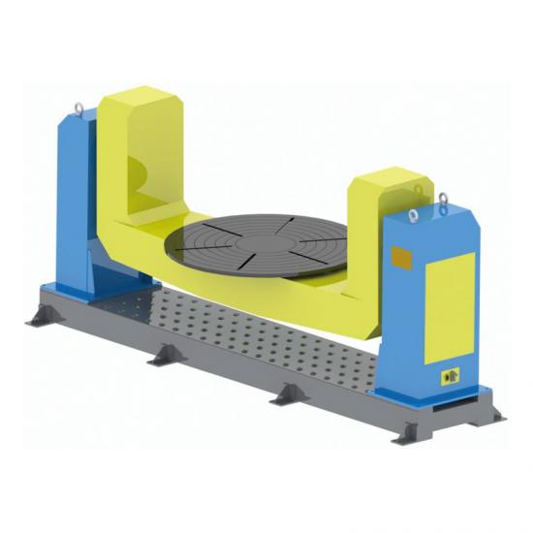
Rated load | 1000kg (within axis 2 radius R600mm) | 3000kg (within axis 2 radius R1500mm) | 5000kg (within axis 2 radius R2000mm)
Standard radius of gyration | R600mm | R1500mm | R2000mm
Gyration angle of axis 1 | ±180° | ±180° | ±180°
Gyration angle of axis 2 | ±360° | ±360° | ±360°
Rated gyration speed of axis 1 | 17°/S | 17°/S | 17°/S
Rated gyration speed of axis 2 | 24°/S | 17°/S | 24°/S
Repeated positioning accuracy | ±0.15mm | ±0.20mm | ±0.25mm
Positioner dimension(length×width×height) | 4200mm×700mm×1800mm | 5500mm×900mm×2200mm | 6500mm×1200mm×2600mm
Standard axis 2 gyration disk | φ1500mm | φ1800mm | φ2000mm
Height of axis 1 gyration center | 1500mm | 1750mm | 2200mm
Power supply | Three phase 200V ±10% 50Hz(with isolation transformer) | Three phase 200V ±10% 50Hz (with isolation transformer) | Three phase 200V ±10% 50Hz (with isolation transformer)
Insulation grade | H | H | H
Self weight | about 2200kg | about 4000kg | about 6000kg

Platform Two Aixs Servo Positioner
Item | EVS-DWP-P-200 | EVS-DWP-P-500 | EVS-DWP-P-1000
Photo | 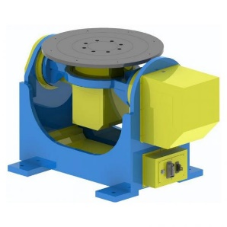
Rated load | 200kg (within axis 2 radius R300mm) | 500kg (within axis 2 radius R300mm) | 1000kg (within axis 2 radius R500mm)
Standard radius of gyration | R400mm | R400mm | R600mm
Gyration angle of axis 1 | ±90° | ±90° | ±90°
Gyration angle of axis 2 | ±360° | ±360° | ±360°
Rated gyration speed of axis 1 | 70°/S | 50°/S | 15°/S
Rated gyration speed of axis 2 | 70°/S | 70°/S | 24°/S
Repeated positioning accuracy | ±0.10mm | ±0.12mm | ±0.20mm
Positioner dimension(length×width×height) | 1000mm×550mm×600mm | 1200mm×600mm×750mm | 1500mm×750mm×900mm
Standard axis 2 gyration disk size | φ500mm | φ500mm | φ800mm
Height of axis 1 gyration center | 500mm | 550mm | 750mm
Power supply | Three phase 200V ±10% 50Hz(with isolation transformer) | Three phase 200V ±10% 50Hz (with isolation transformer) | Three phase 200V ±10% 50Hz (with isolation transformer)
Insulation grade | H | H | H
Self weight | about 300kg | about 500kg | about 1000kg

Vertical Gyration Three Axis Servo Positioner
Item | EVS-TWP-C-1000 | EVS-TWP-C-500
Photo | 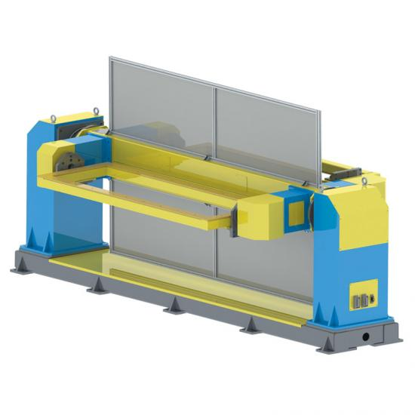
Rated load | 1000kg (within axis 2 radius R400mm) | 500kg (within main axis radius R400mm)
Standard gyration radius of main axis | R1500mm | R1200mm
Standard gyration radius of auxiliary axis | R500mm | R400mm
Gyration angle of axis 1 | ±180° | ±180°
Gyration angle of axis 2 | ±360° | ±360°
Rated gyration speed of axis 1 | 24°/S | 50°/S
Rated gyration speed of axis 2 | 70°/S | 70°/S
Repeated positioning accuracy | ±0.20mm | ±0.10mm
Dimension of the gyration frame (length×width×height) | 3200mm×1000mm×110mm | 2200mm×800mm×90mm
Positioner dimension (length×width×height) | 5200mm×1000mm×1850mm | 4000mm×700mm×1650mm
Height of axis 1 gyration center | 1500mm | 1350mm
Power supply | Three phase 200V ±10% 50Hz (with isolation transformer) | Three phase 200V ±10% 50Hz (with isolation transformer)
Insulation grade | H | H
Self weight | about 3000kg | about 1800kg

Horizontal Gyration Three Axis Servo Positioner
Item | EVS-TWP-S-1000 | EVS-TWP-S-500
Photo | 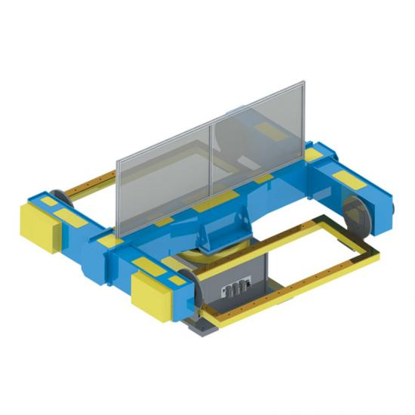
Rated load | 1000kg (within axis 2 radius R500mm) | 500kg (within axis 2 radius R400mm)
Standard gyration radius of main axis | R1800mm | R1200mm
Standard gyration radius of auxiliary axis | R500mm | R400mm
Gyration angle of axis 1 | ±180° | ±180°
Gyration angle of axis 2 | ±360° | ±360°
Rated gyration speed of axis 1 | 24°/S | 50°/S
Rated gyration speed of axis 2 | 70°/S | 70°/S
Repeated positioning accuracy | ±0.20mm | ±0.10mm
Dimension of the gyration frame (length×width×height) | 3200mm×1000mm×110mm | 2200mm×800mm×90mm
Positioner dimension (length×width×height) | 4500mm×3600mm×1750mm | 4000mm×700mm×1650mm
Height of axis 1 gyration center | 1000mm | 800mm
Power supply | Three phase 200V ±10% 50Hz (with isolation transformer) | Three phase 200V ±10% 50Hz (with isolation transformer)
Insulation grade | H | H
Self weight | about 3000kg | about 2000kg

